DFM template
NEXTPCB DFA report
Project Number：Gerber 24_9_2025_1 |  | Prepared by: |  |  |  |  | Date: 20250926
Item | Problem description 问题描述 | Reference location 影响位置 | MPN 物料名称 | Impact 影响 | Image 图片 | NextPCB Suggestion 建议 | Customer feedback 客户反馈 | Severity 严重度 | Status 状态
1 | The pad is lack of a part, see attach. | AE1 | / | The component can't be 100% soldered on the board, which will cause soldering issue. | 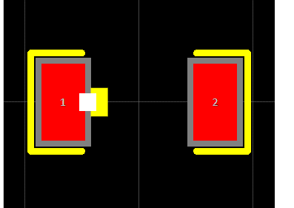 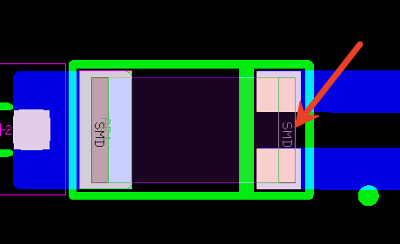 | Please modify the pad. |  | Middle
2 | The clearance is 0.9mm in datasheet while it is 1.2mm in Gerber. | U2 | / | The component can't be 100% soldered on the board, which will cause soldering issue. | 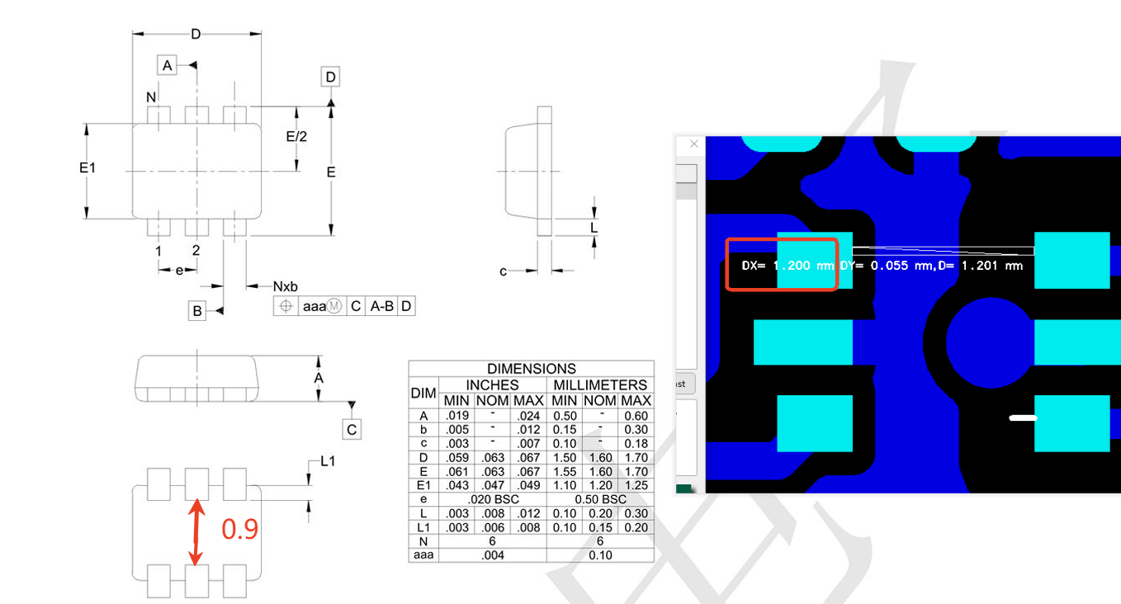 | Please modify the clearance to 0.9mm. |  | Middle

